POSTMAN
Hi, This sheet contains notes from/for the course:
Postman Beginner's Course - API Testing by Valentin Despa
https://youtu.be/VywxIQ2ZXw4
You can find more Postman courses on Udemy from the same author.
Please feel free to reach out to me, if you have any questions.
Cheers, Karoly Egyed

Postman - Server communication | Postman for
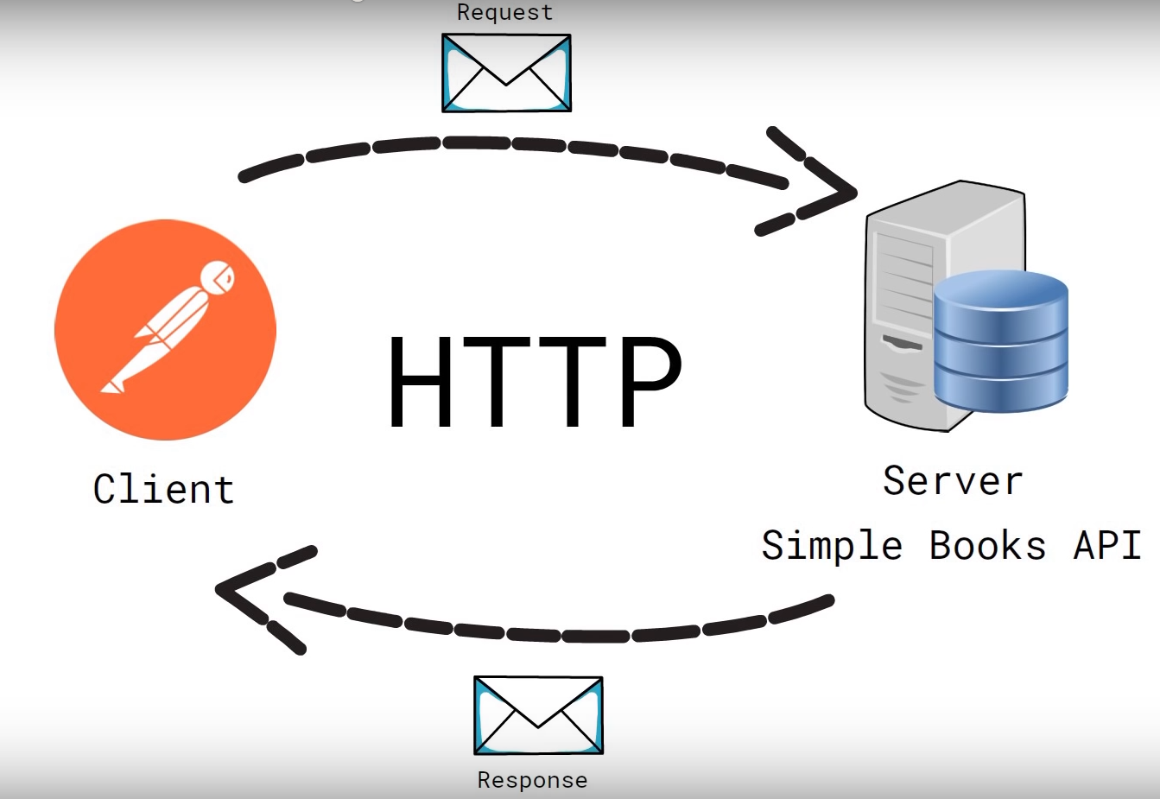
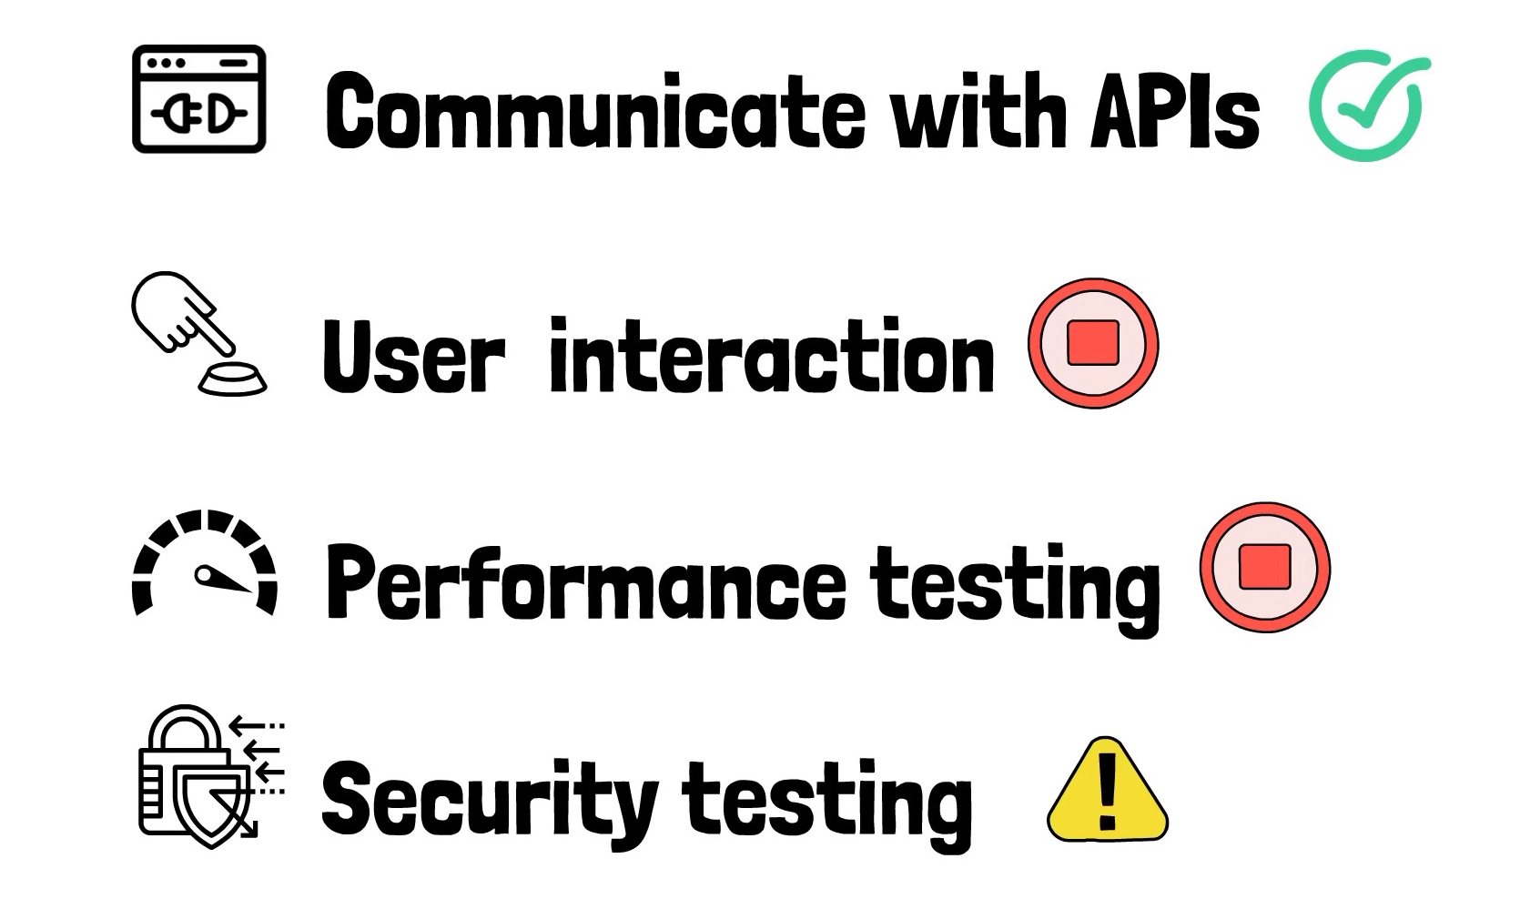

= not ideal, there are better tools for test the security of an API

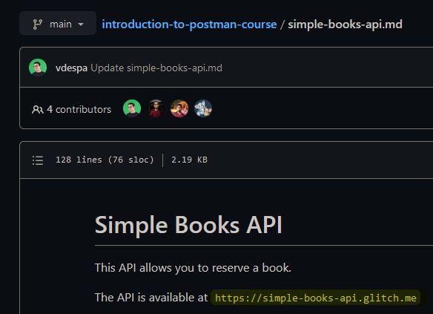
API link / endpoint and status check
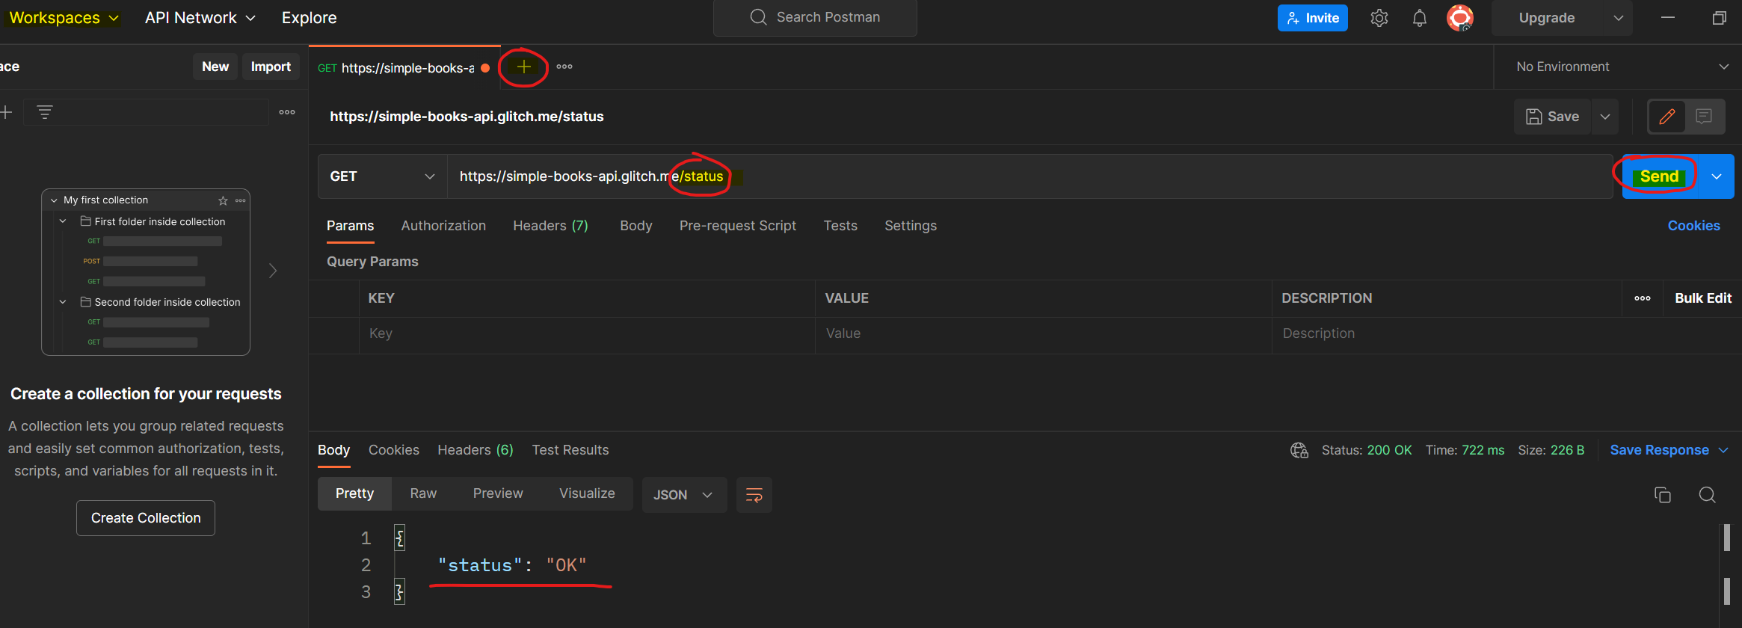

API endpoint

Request method
Address of the API

API documentation https://github.com/vdespa/introduction-to-postman-course/blob/main/simple-books-api.md

200 OK - request understood, everything is fine
- API is available
- it is working as expected

Request part/section in Postman
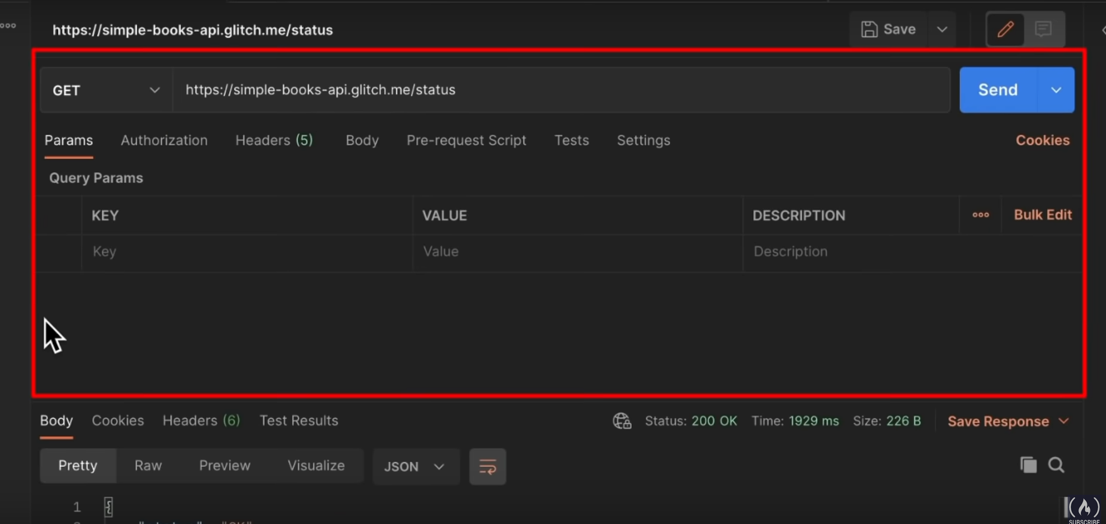
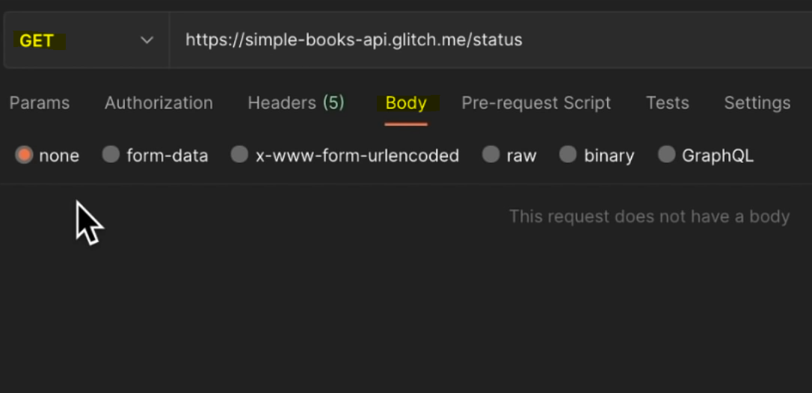

- Get request never has body
- Just get data, we do not send any data

Response part/section in Postman

Automatically displayed in JSON

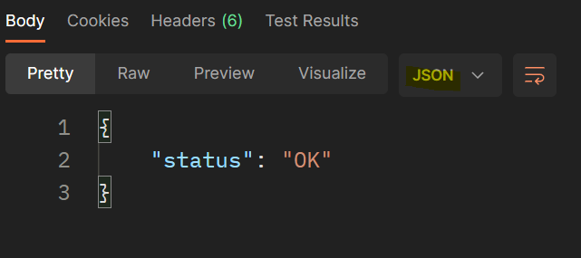

Response`s body

Shared with others
Private to you

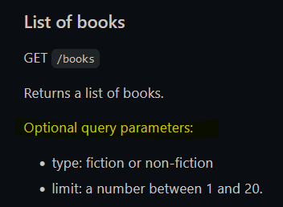
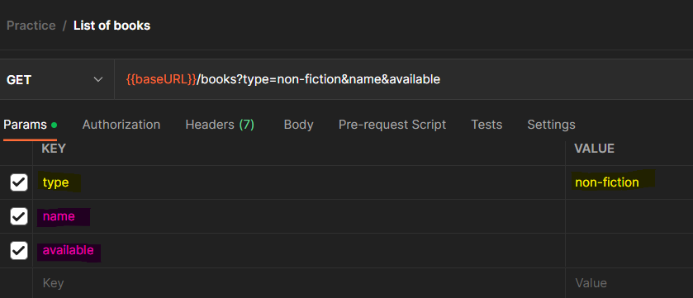

working

not working not type or limit (listed in the doc.ion)

case sensitive:
type <> Type
limit <> Limit

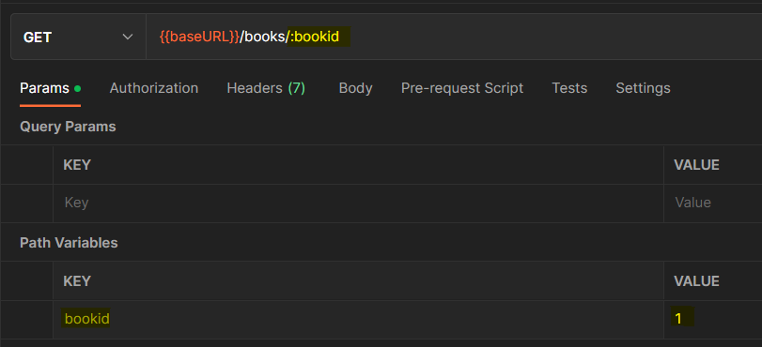
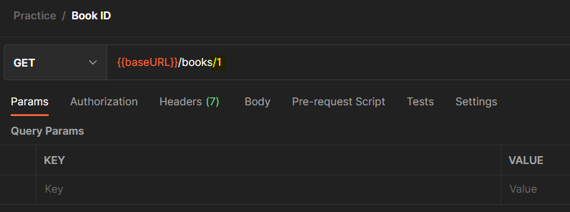

=
path parameter

the KEY is not be sent it can named anything

Authentication
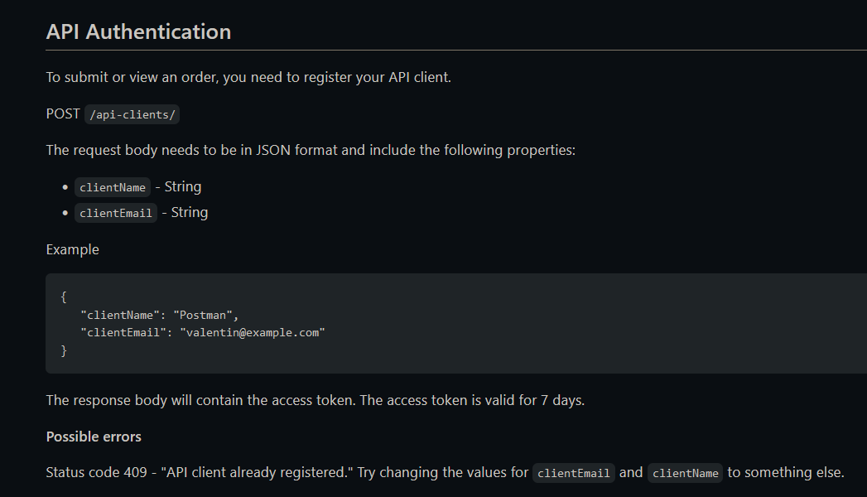
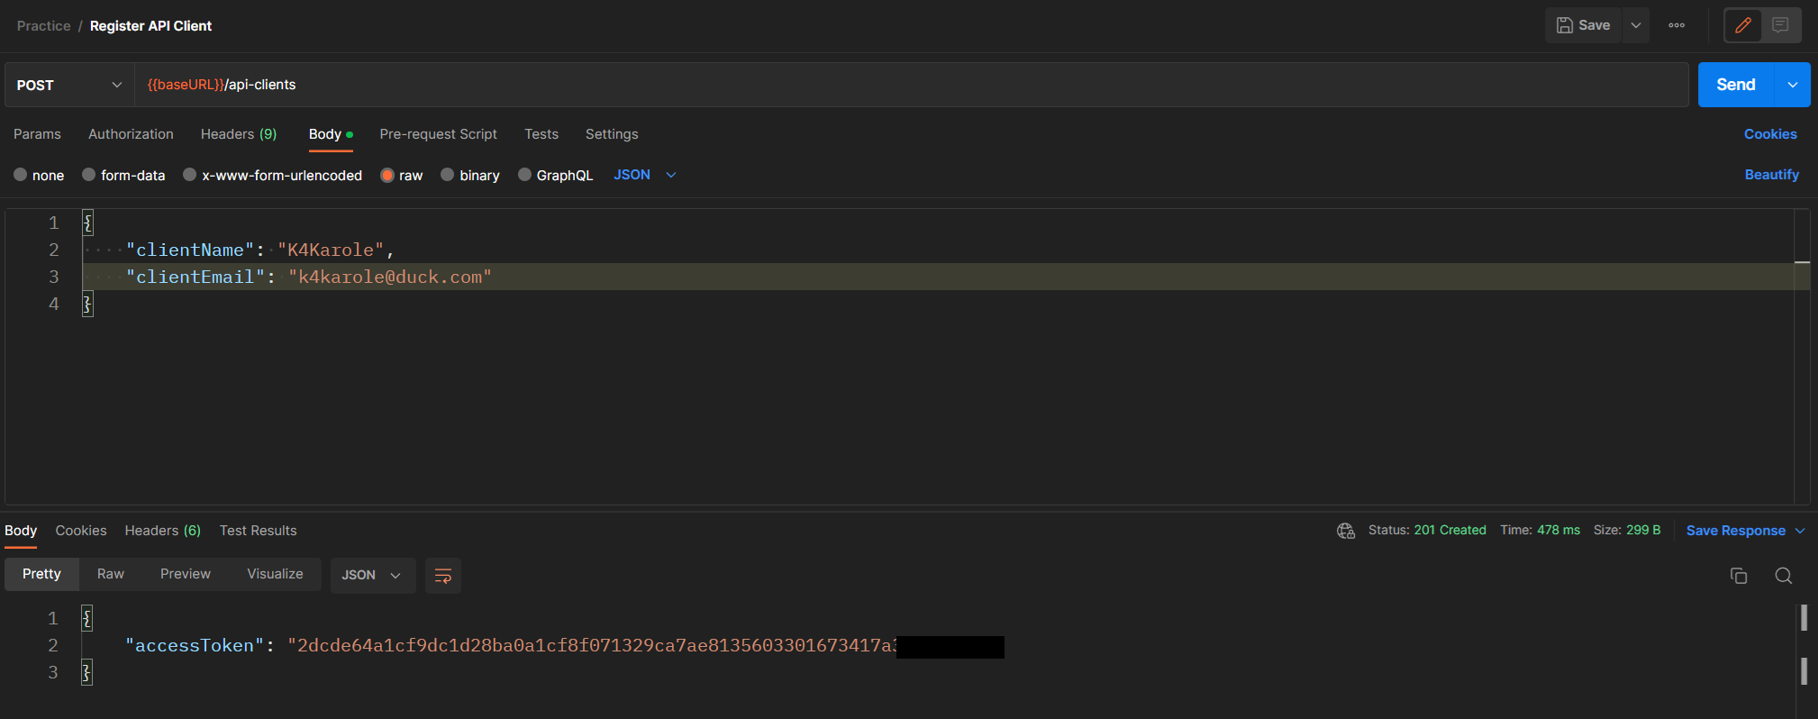

response

automatically generated

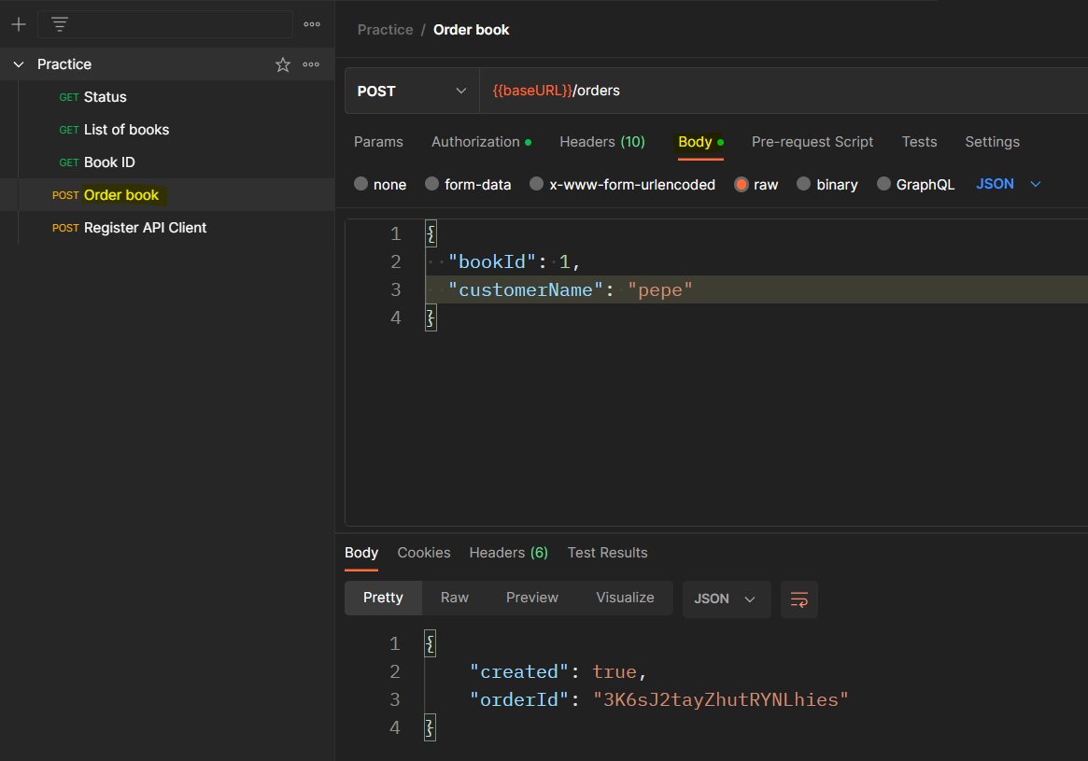
Submit an order
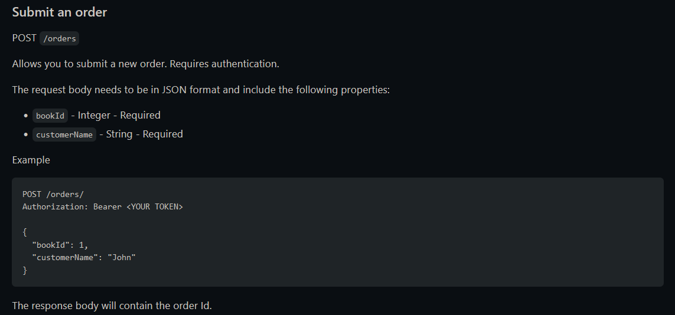

response

integer, boolean do not need " "

JSON
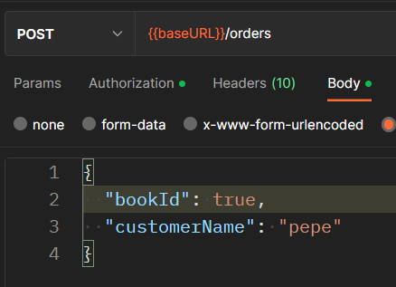
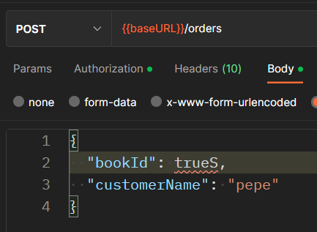

key
value

Post with random data
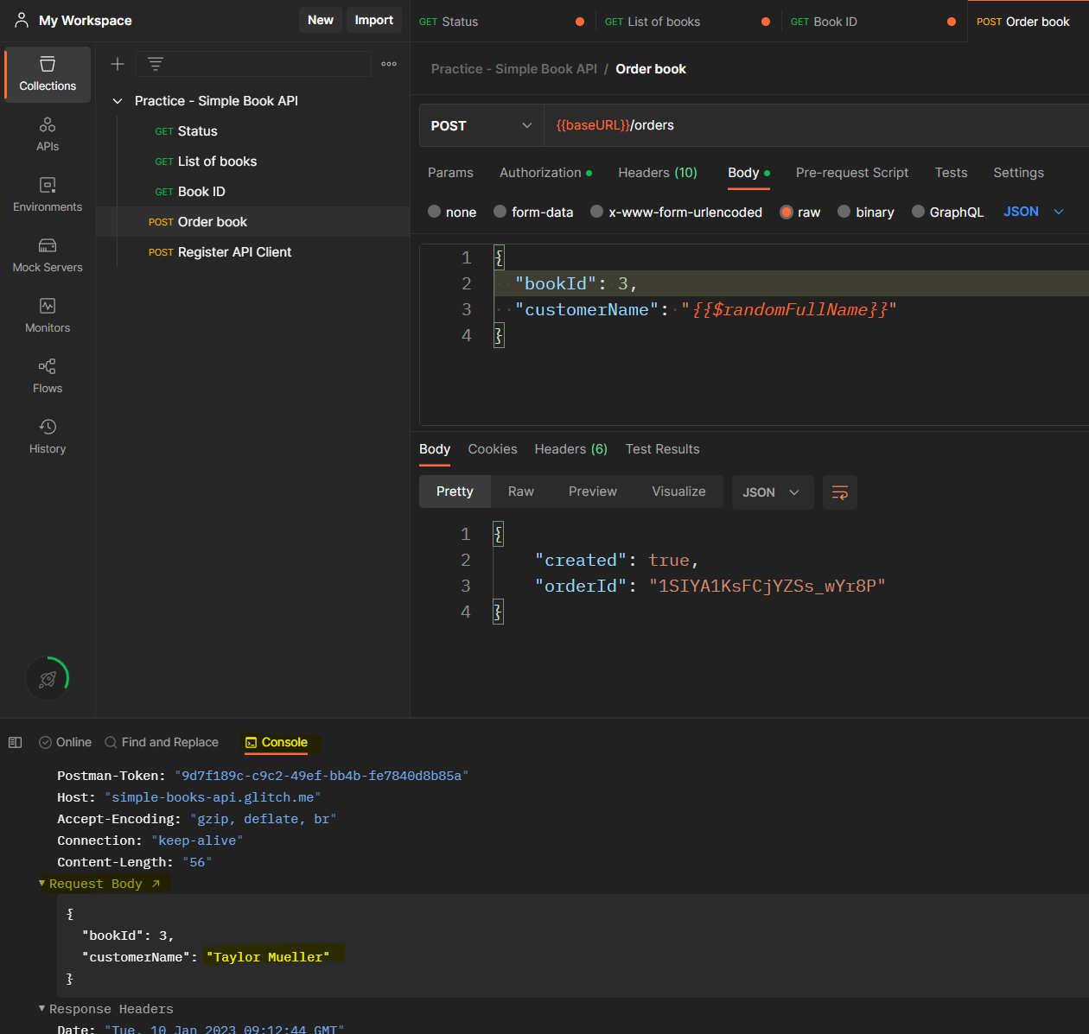
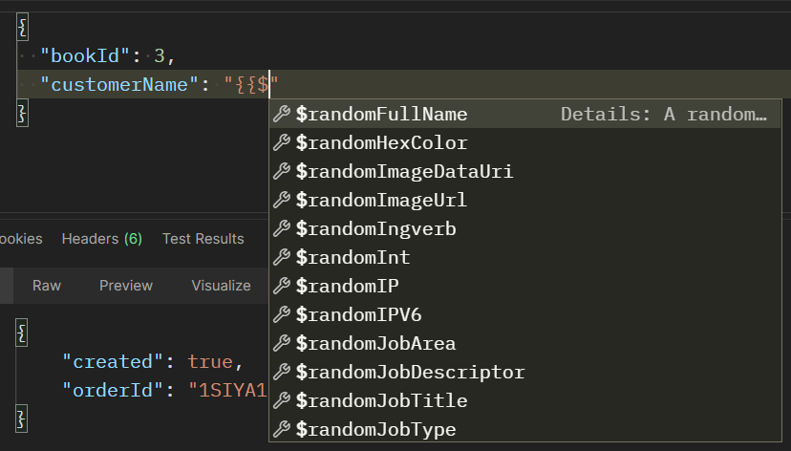

no information in the response about what data (random name) was sent to check: Console / Request Body

Update data - order / customer name
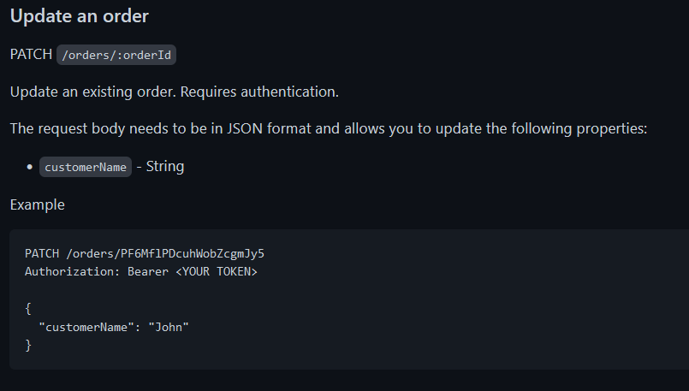
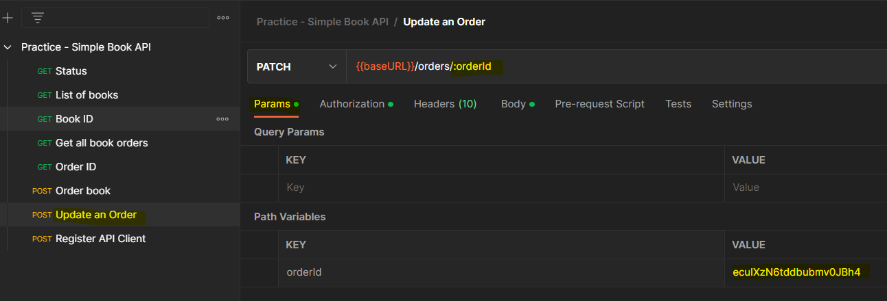

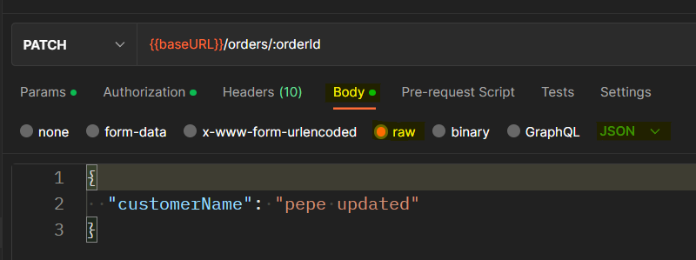

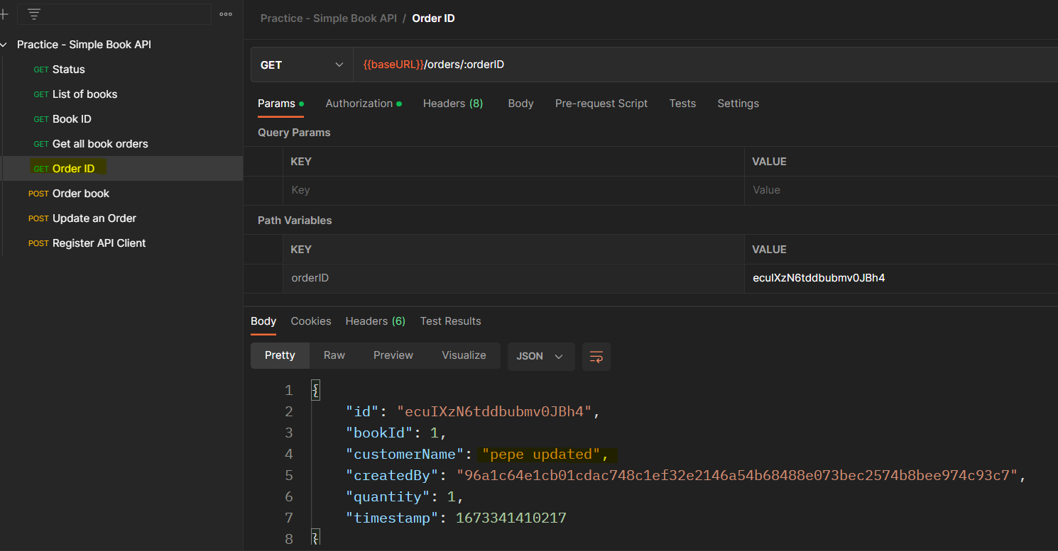

everything was OK

customerName is updated

Delete an order
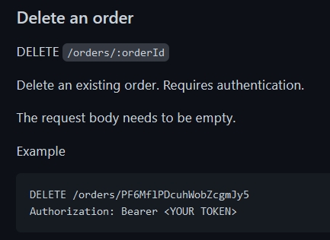

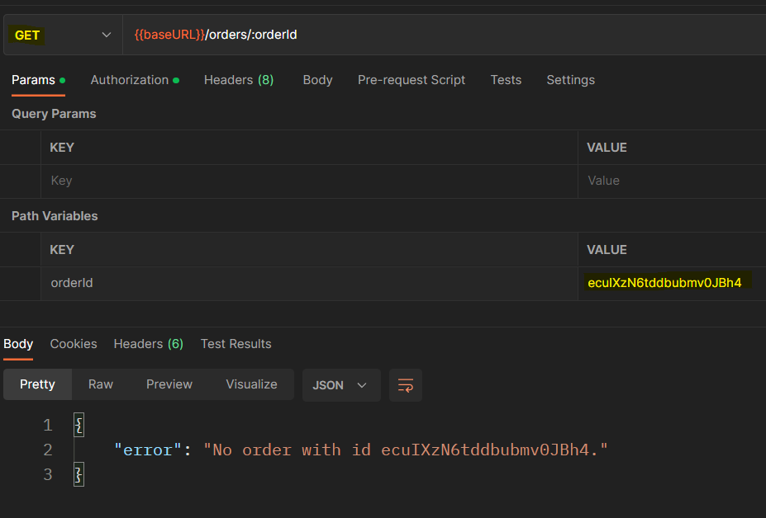

order has been removed

- AUTOMATION -

Postman by default does not know what kind of response / status code are we looking for -> we have to check it manually or we automate the test

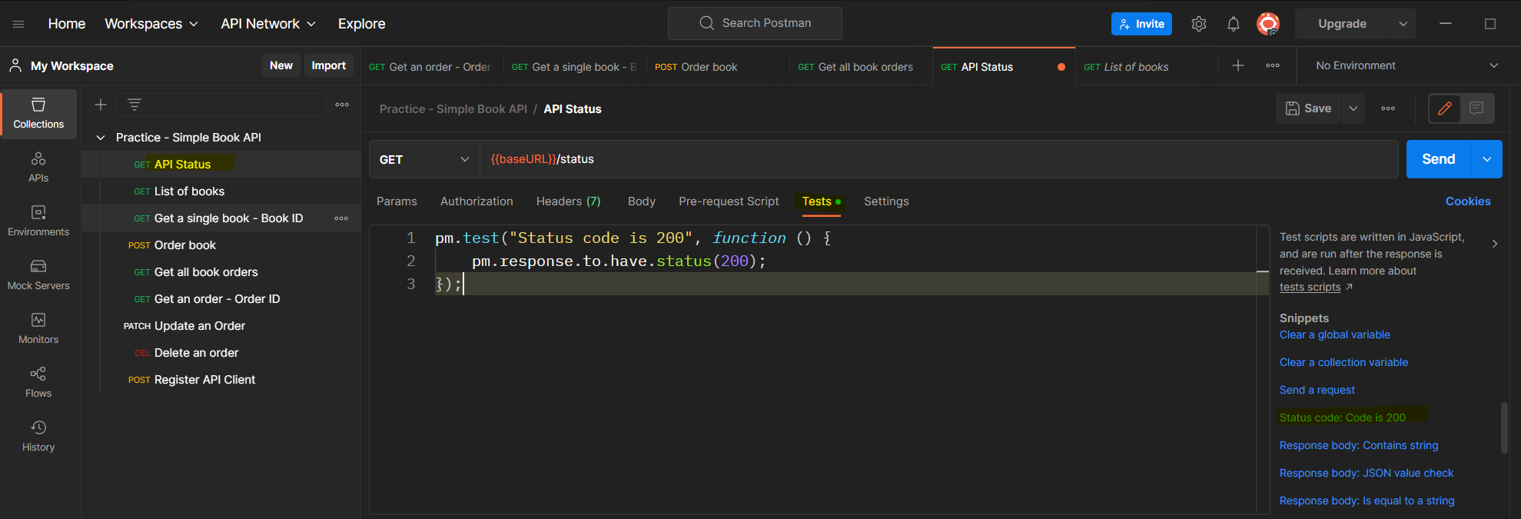

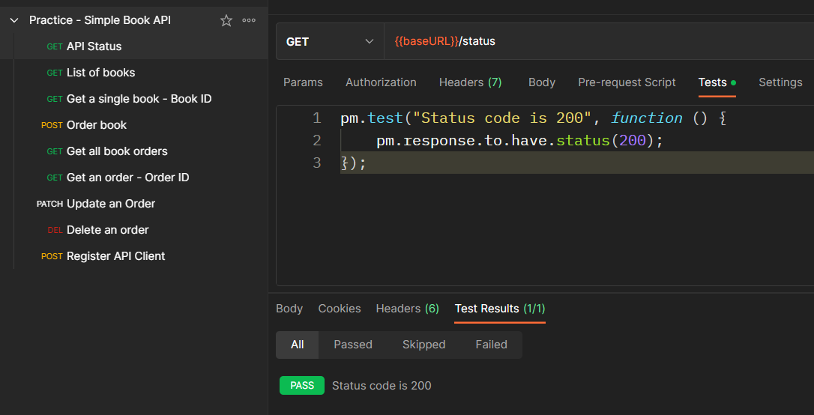
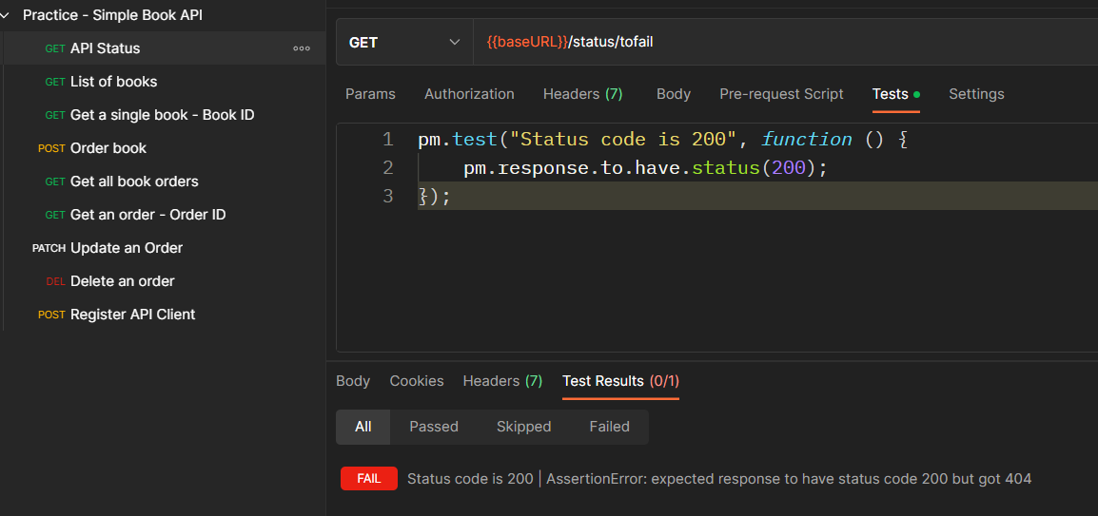

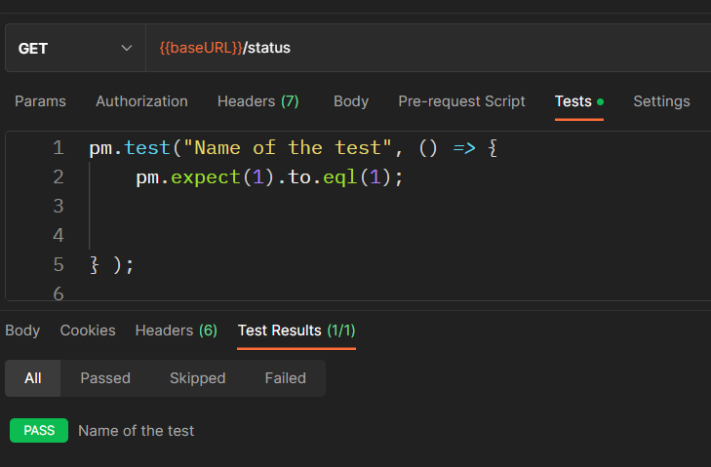
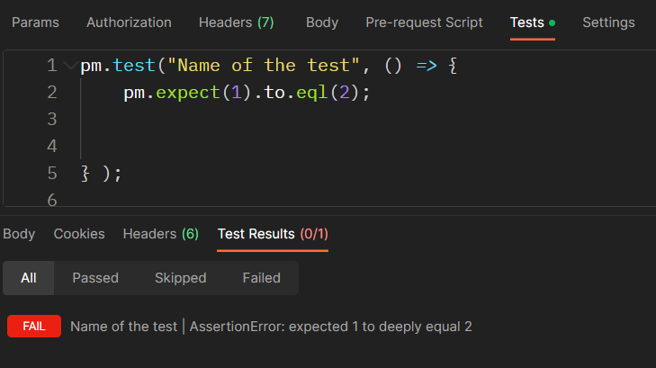

assertions

always starts with pm.test function pm.test( 1. parameter, 2. parameter )
1. parameter = name of the test
2. parameter = callback function

same: function () {} () => {} more modern: () => {}

update to the correct status code

